Sheet1
 |  | Document No. | Issue No. |  | Issue Date |  | Review and Replace Date |  |  | Authorised By
 |  |  | 1 |  | 28.10.2022 |  | New Document
 |  | Document Title | MINDFUL CHEF -Chickpea Korma with Squash roasted Cauliflower and Black Rice 400g
 |  | New Document |  |  |  | Page |  | 1 of 1 |  | Magda Shah
Document amendments reason for change |  |  |  |  |  | Previous Issue Date |  | New Document |  | Uncontrolled copy unless signed original

EPD | MINDFUL CHEF |  | MINDFUL CHEF -Chickpea Korma with Squash roasted Cauliflower and Black Rice 400g
STEP 1 |  |  |  |  |  | STEP 2
 |  |  |  |  |  | 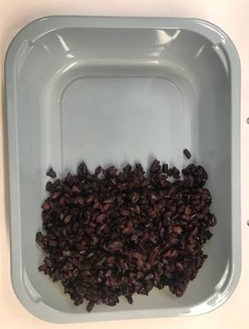

PACK DAY + 1 YEAR
NON-MAP PACK

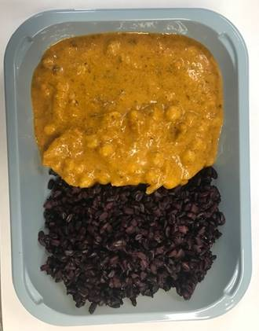
Tray: EVOLVE CPET 2200-1E - FROST (PKRHP001-15) |  |  |  |  |  | Black Rice NPD : 100g
Film: K peel 7G+25A/f- 275mm (275 mmX1000)(PKKMP001-03)
STEP 3 |  |  |  | STEP 4 |  |  |  |  | STEP 5
 |  |  |  | 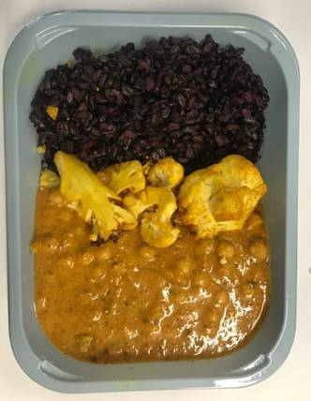 |  |  |  |  | 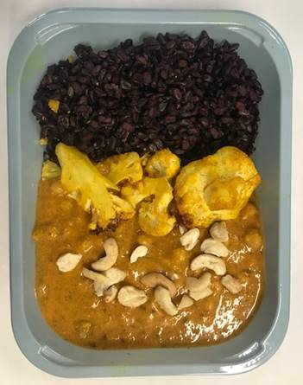

Chickpeas Korma Sauce: 250g |  |  |  | Roasted Cauliflower :45g |  |  |  |  | Broken Cashew: 5g |  | TOTAL WEIGHT: 400g

ALLERGY ALERT: NUT

